vd2
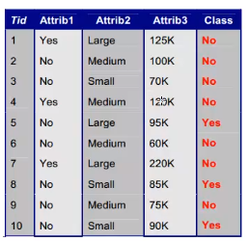
Attrib3
125k
100k
70k
120k
95k
60k
220k
85k
75k
90k
No
No
Yes
Vòng 1
entropy(class) = {3 yes & 7 no} = 0,881

gain(class,a1)
entropy(yes) = {3 no} = 0
entropy(no) = {4 no & 3 yes} = 0,985
gain(class,a1) = 0,1915

gain(class,a2)
entropy(large) = {2 no & 1 yes} = 0,918
entropy(medium) = {4 no} = 0
entropy(small) = {1 no & 2 yes} = 0,918
gain(class,a2) = 0,3302

gain(class,a3)
entropy = 0 | gain lớn nhất => chọn làm thuộc tính kiểm tra cho nút gốc
gain(class,a3) = 0,881

vd3
 |  |  | D = {1,2,3,4,5,6,7,8,9,10}
Attrib2
Large
Medium
Small
D1 = {1,5,7}
D2 = {2,4,6,9}
D3 = {3,8,10}
Yes
No
D11 = {5}
D12 ={1,7}
D21 = {4}
Yes
No
D22 = {2,6,9}
Yes
No
D31 = {}
D32 = {3,8,10}
Yes
No
No
Yes
No

 |  | A1
 |  |  |  | A1

11 No Small 55k | No
12 Yes large 110k | Yes

acc = 90%

